Jmeter
A complete Test plan consist of Thread group, Logical controller, Timer, Sample generating controllers, Assertion, Configuration elements and listners

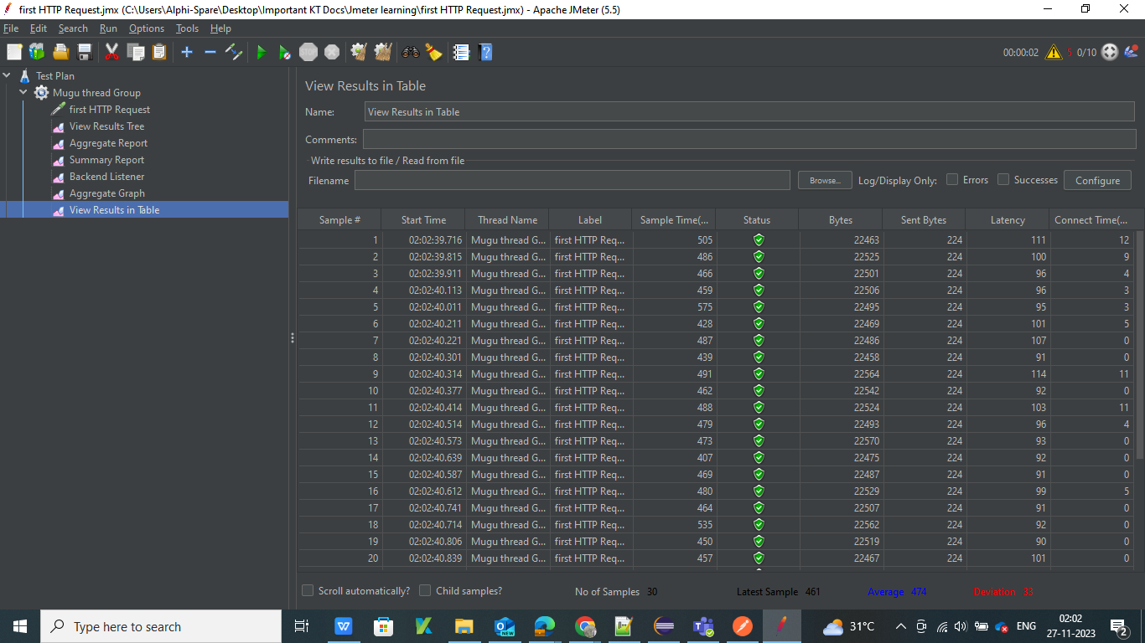
 | Sample time= Total time to get rsponse for sample
 | Bytes= Size of data received as response
 | Sent byte= Request data size
 | Latency= Time taken to get first byte
 | Connect time= time taken to connect to the request

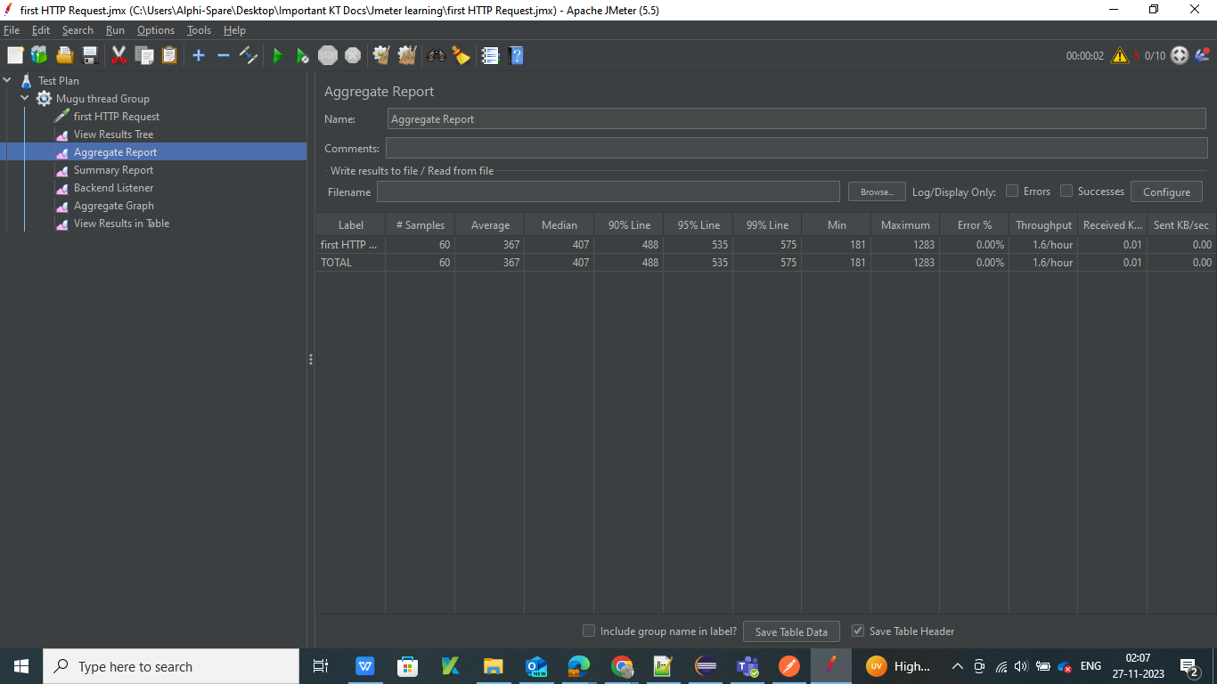

 | Average= average of time taken for the response
 | Median= Arrange sample time in ascending order middle value is median

JDBC testing in Jmeter

Download sql connecter jar and place it in lib folder -> JDBC sampler ->JDBC connection congi element ->Assertion that used for customized assertion is beanshell assertion -> Assertion result linstners to check assertion list

Assertion that used for customized assertion is beanshell assertion

FTP- File Transfer Porotocal

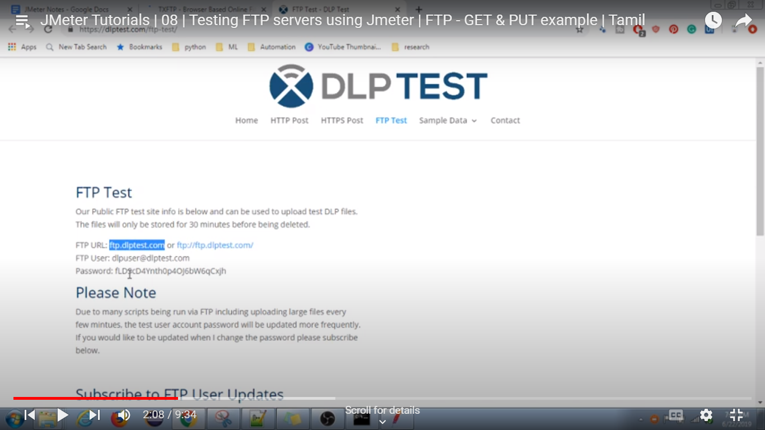

 | For hands-on use this site: ftp.dlptest.com FTP User: dlpuser@dlptest.com Password: fLDScD4Ynth0p4OJ6bW6qCxjh

<?xml version="1.0" encoding="UTF-8"?> <jmeterTestPlan version="1.2" properties="5.0" jmeter="5.5"> <hashTree> <TestPlan guiclass="TestPlanGui" testclass="TestPlan" testname="e2etest" enabled="true"> <stringProp name="TestPlan.comments">This test plan was created by the BlazeMeter converter v.3.1.23. Please contact support@blazemeter.com for further support.</stringProp> <boolProp name="TestPlan.functional_mode">false</boolProp> <boolProp name="TestPlan.serialize_threadgroups">false</boolProp> <elementProp name="TestPlan.user_defined_variables" elementType="Arguments" guiclass="ArgumentsPanel" testclass="Arguments" enabled="true"> <collectionProp name="Arguments.arguments"/> </elementProp> <stringProp name="TestPlan.user_define_classpath"></stringProp> </TestPlan> <hashTree> <HeaderManager guiclass="HeaderPanel" testclass="HeaderManager" testname="HTTP Header manager" enabled="true"> <collectionProp name="HeaderManager.headers"> <elementProp name="sec-ch-ua" elementType="Header"> <stringProp name="Header.name">sec-ch-ua</stringProp> <stringProp name="Header.value">&quot;Google Chrome&quot;;v=&quot;119&quot;, &quot;Chromium&quot;;v=&quot;119&quot;, &quot;Not?A_Brand&quot;;v=&quot;24&quot;</stringProp> </elementProp> <elementProp name="sec-ch-ua-mobile" elementType="Header"> <stringProp name="Header.name">sec-ch-ua-mobile</stringProp> <stringProp name="Header.value">?0</stringProp> </elementProp> <elementProp name="sec-ch-ua-platform" elementType="Header"> <stringProp name="Header.name">sec-ch-ua-platform</stringProp> <stringProp name="Header.value">&quot;Windows&quot;</stringProp> </elementProp> <elementProp name="User-Agent" elementType="Header"> <stringProp name="Header.name">User-Agent</stringProp> <stringProp name="Header.value">

<?xml version="1.0" encoding="UTF-8"?> <jmeterTestPlan version="1.2" properties="5.0" jmeter="5.5"> <hashTree> <TestPlan guiclass="TestPlanGui" testclass="TestPlan" testname="Test Plan" enabled="true"> <stringProp name="TestPlan.comments"></stringProp> <boolProp name="TestPlan.functional_mode">false</boolProp> <boolProp name="TestPlan.tearDown_on_shutdown">true</boolProp> <boolProp name="TestPlan.serialize_threadgroups">false</boolProp> <elementProp name="TestPlan.user_defined_variables" elementType="Arguments" guiclass="ArgumentsPanel" testclass="Arguments" testname="User Defined Variables" enabled="true"> <collectionProp name="Arguments.arguments"/> </elementProp> <stringProp name="TestPlan.user_define_classpath"></stringProp> </TestPlan> <hashTree> <ThreadGroup guiclass="ThreadGroupGui" testclass="ThreadGroup" testname="Mugu thread Group" enabled="true"> <stringProp name="ThreadGroup.on_sample_error">continue</stringProp> <elementProp name="ThreadGroup.main_controller" elementType="LoopController" guiclass="LoopControlPanel" testclass="LoopController" testname="Loop Controller" enabled="true"> <boolProp name="LoopController.continue_forever">false</boolProp> <stringProp name="LoopController.loops">3</stringProp> </elementProp> <stringProp name="ThreadGroup.num_threads">4</stringProp> <stringProp name="ThreadGroup.ramp_time">1</stringProp> <boolProp name="ThreadGroup.scheduler">false</boolProp> <stringProp name="ThreadGroup.duration"></stringProp> <stringProp name="ThreadGroup.delay"></stringProp> <boolProp name="ThreadGroup.same_user_on_next_iteration">false</boolProp> </ThreadGroup> <hashTree> <HTTPSamplerProxy guiclass="HttpTestSampleGui" testclass="HTTPSamplerProxy" testname="first HTTP Request" enabled="true"> <elementProp name="HTTPsampler.Arguments" elementType="Argume

To run Jmeter in cmd - jmeter -n -t (Jmeter script loc)-l (loc of result file)-e-o (loc of o/p folder)

Things need to find the server performens

1.Server Machine
2.Perfmon agent- Tool/ lib placed in a server to collect details
3.perfmon plugin for jmeter

192.168.1.6 sys IP
telnet 192.168.1.6 4444 -- without error running in cmd
if not available -> start-> search turn window feature on or off
Check Telnet client , Telnet server

Postman
API - Application programming interface

Postman is a tool used to intract with web based API

Test query to set dynamic environment value ---- var response= JSON.parse(responseBody) pm.environment.set("id",response.id);
using environment variable--- example : {{url}}api/users/{{id}}

We Can moniter using postman or using newman link shedule job in jenkins

For NPM report --- npm -g newman -reporter-html
To Run collection in commend line--- Newman run "Collection URL" -e "Environment filepath with file name"-r htmlextra
To have a random values there is more predefined value
For visulizer we to add template in test and need to initiate visulizer(Help to validate large amount of values)
var template = ` <style type="text/css"> .tftable {font-size:14px;color:#333333;width:100%;border-width: 1px;border-color: #87ceeb;border-collapse: collapse;} .tftable th {font-size:18px;background-color:#87ceeb;border-width: 1px;padding: 8px;border-style: solid;border-color: #87ceeb;text-align:left;} .tftable tr {background-color:#ffffff;} .tftable td {font-size:14px;border-width: 1px;padding: 8px;border-style: solid;border-color: #87ceeb;} .tftable tr:hover {background-color:#e0ffff;} </style> <table class="tftable" border="1"> <tr> <th>Name</th> <th>Job</th> <th>ID</th> <th>Created At</th> </tr> <tr> <td>{{response.name}}</td> <td>{{response.job}}</td> <td>{{response.id}}</td> <td>{{response.createdAt}}</td> </tr> </table> `; function constructVisualizerPayload() { return { response: pm.response.json() } } pm.visualizer.set(template, constructVisualizerPayload());

Test validation pm.test("Response status code is 201", function () { pm.response.to.have.status(201); }); // Test for the existence of properties in the root object pm.test("Response has data property", function () { pm.expect(pm.response.json()).to.have.property('data'); }); pm.test("Response has support property", function () { pm.expect(pm.response.json()).to.have.property('support'); }); // Test for the existence of properties in the data object pm.test("Data object has id property", function () { pm.expect(pm.response.json().data).to.have.property('id'); }); pm.test("Data object has email property", function () { pm.expect(pm.response.json().data).to.have.property('email'); }); pm.test("Data object has first_name property", function () { pm.expect(pm.response.json().data).to.have.property('first_name'); }); pm.test("Data object has last_name property", function () { pm.expect(pm.response.json().data).to.have.property('last_name'); }); pm.test("Data object has avatar property", function () { pm.expect(pm.response.json().data).to.have.property('avatar'); }); // Test for the existence of properties in the support object pm.test("Support object has url property", function () { pm.expect(pm.response.json().support).to.have.property('url'); }); pm.test("Support object has text property", function () { pm.expect(pm.response.json().support).to.have.property('text'); })
In Network tab check "Preserve log", "Hide data URL"
Steps, Copy CURL Import ->raw-> paste CURL

pm.globals.set{"user",pm.response.json{}["user"]["token"]}; Note: USER, TOKEN is from json path finder(To add a global variable)
console.log(pm.variables.get("tokevariables"))

Note: TO encode and decode the URL --> https://urldecode.org/

%22= "
%20 =
@2c=,

https://apitesting.co/postman-1
Solution : Actual Result with Expected Result. Keys validation JSON Schema Validate HTTP Status Invalid POST verify ( -ve case) Id created not Null Time Taken for HTTP request Verify how the APIs error codes are handled. Verify the Parse the Response data Verification of APIs with Data parameters. (DDT) Validate the keys with the Min. and Max range of APIs (e.g maximum and minimum length)

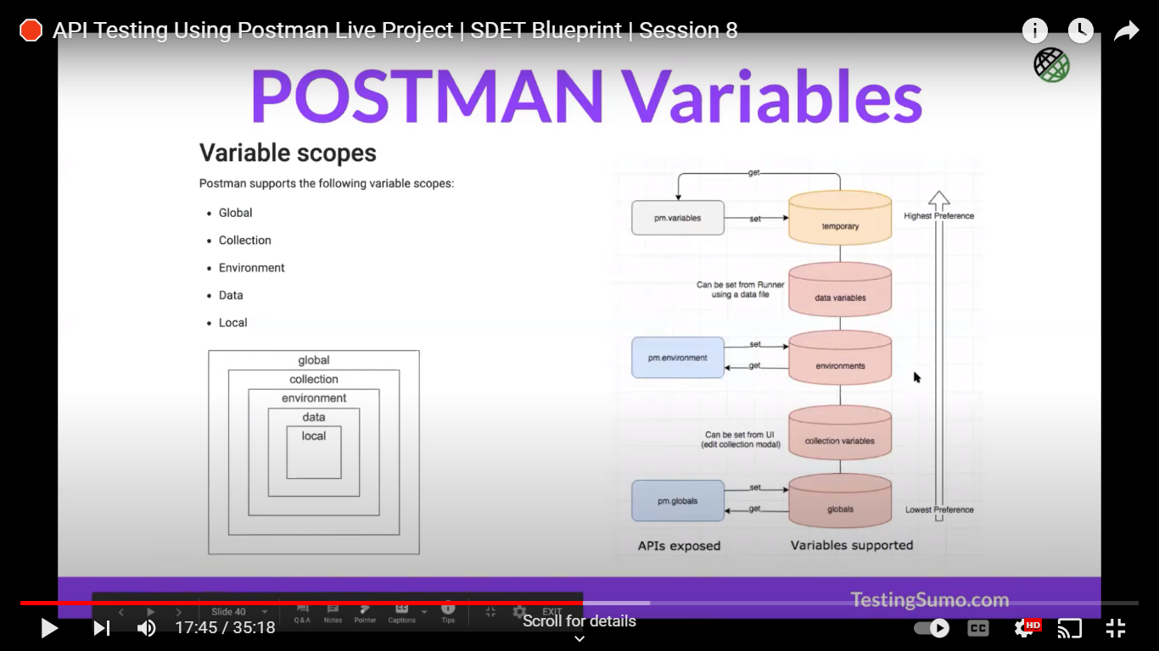

200 OK
201 Created
202 Accepted
400 Bad Request
401 Unauthorized
403 Forbidden
404 Not Found
405 Method Not Allowed
406 Not Acceptable

1xx informational response – the request was received, continuing process 2xx successful – the request was successfully received, understood, and accepted 3xx redirection – further action needs to be taken in order to complete the request 4xx client error – the request contains bad syntax or cannot be fulfilled 5xx server error – the server failed to fulfil an apparently valid request

